Sheet1
 | firebase Authentication

1 | npx create-react-app simple-firebase

2 | install
 | npm install firebase

2 | create a project on console.firebase.google.com

 |  |  |  |  |  |  |  | project name
 | console.firebase.google.com/ |  |  |  |  | > add project |  | > | > simple firebase |  |  | > continue | > off enable google |  | > create project | > continue

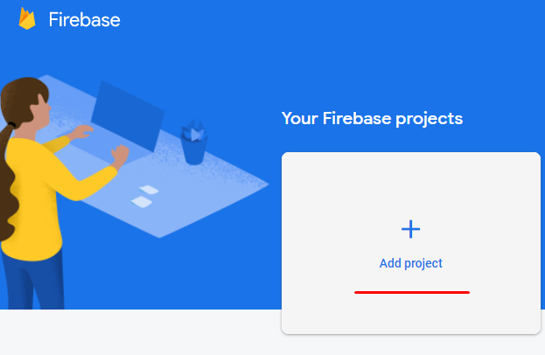

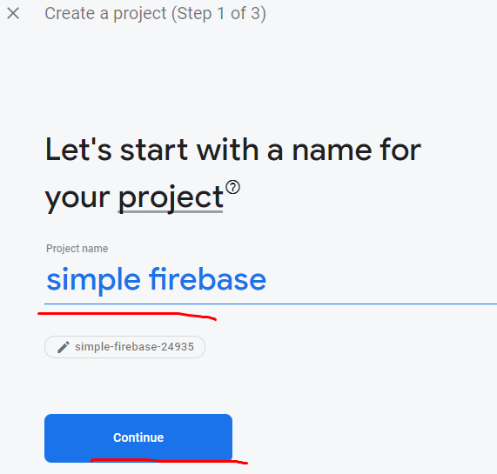

 |  | project name

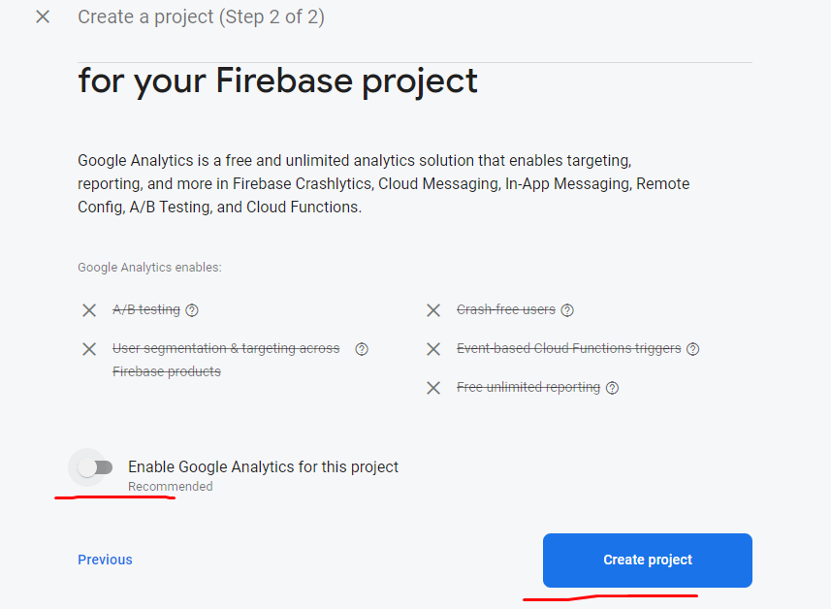

off enable google

 |  |  |  |  | creating project
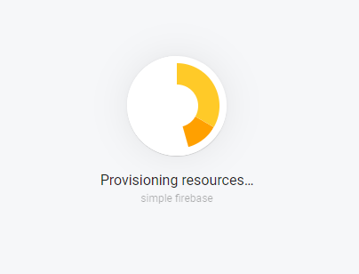

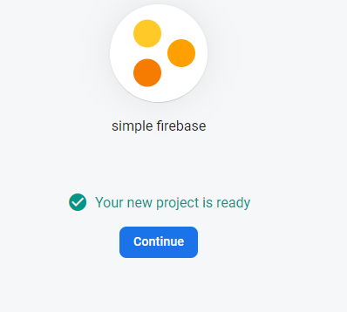

 |  | continue

3. register web app in firebase
 |  |  |  |  |  |  | project name
 | https://console.firebase.google.com/ |  |  |  |  |  | simple firebase |  |  | > web
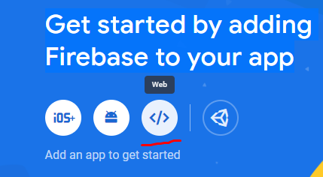

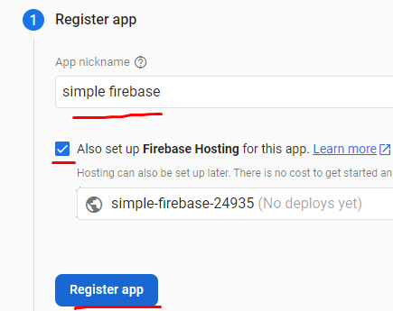

 |  |  | name

 |  |  | tik

 | 4. copy initial firebase init with config from firebase project settings in to a file firebase.init.js

 |  |  | create a file name of firebase.init.js in src folder past copy from initial firebase projects
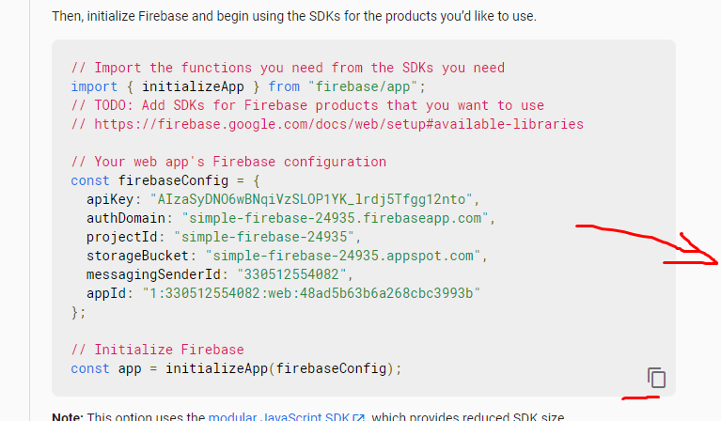
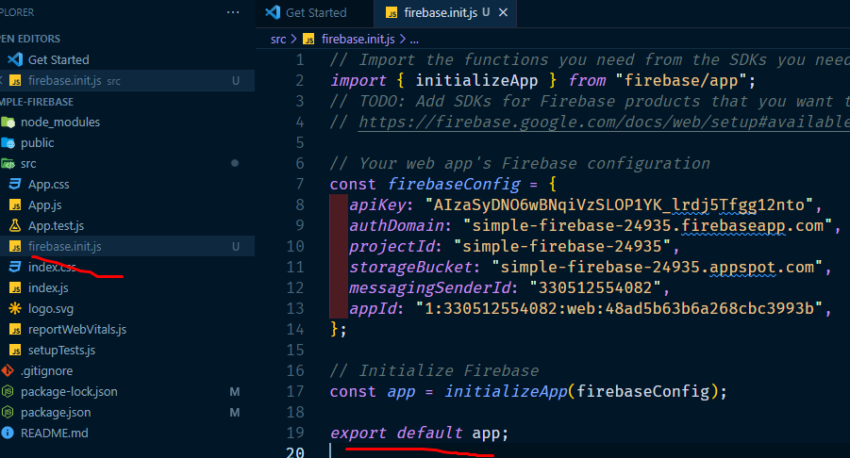

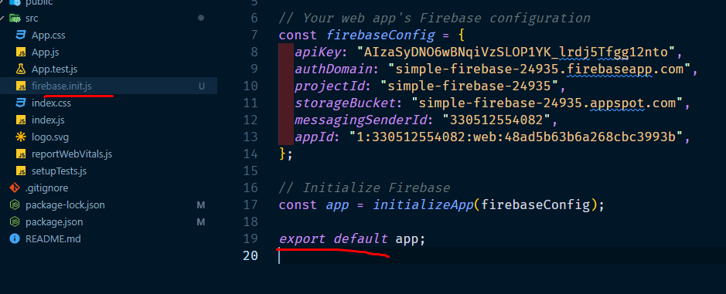

 | 5. export default app |  |  |  |  | export default app;

 | 6. import getAuth from firebase/Auth and create const auth = getAuth(app) in app.js

 |  | console.firebase.google.com/ |  |  |  | > go to docs |  | > build > authentication |  |  |  | > web > get started
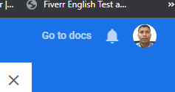
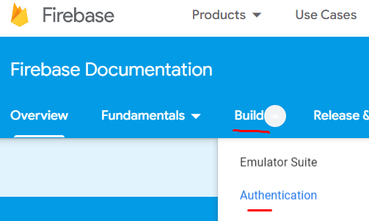

 | get Started |  |  |  |  |  |  |  | app.js er modde rakhte hobe
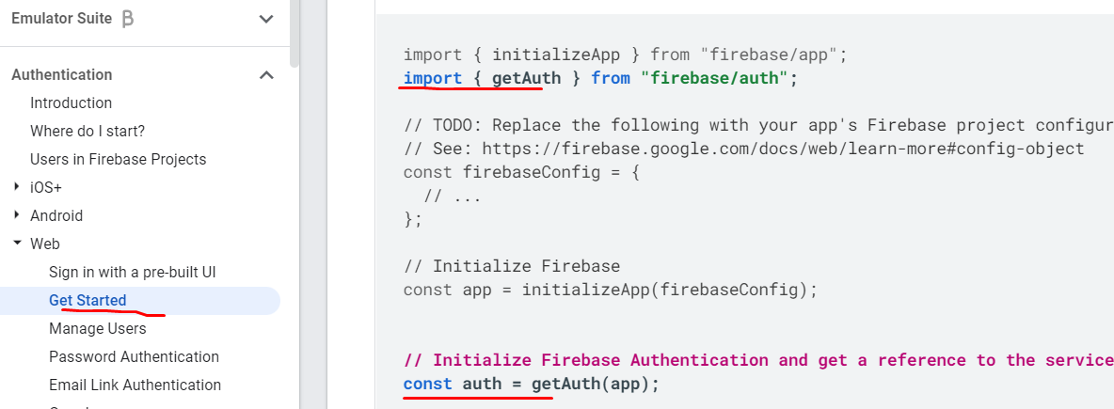
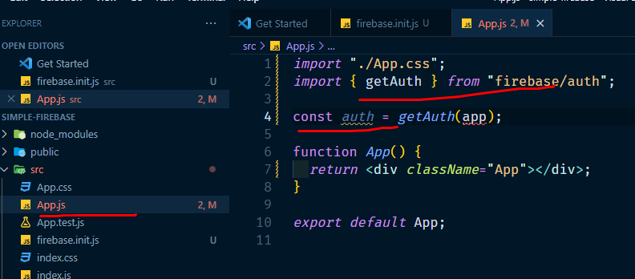

7. import app firebase init.js into your app.js

 | https://console.firebase.google.com/ |  |  |  |  | >simple firebase

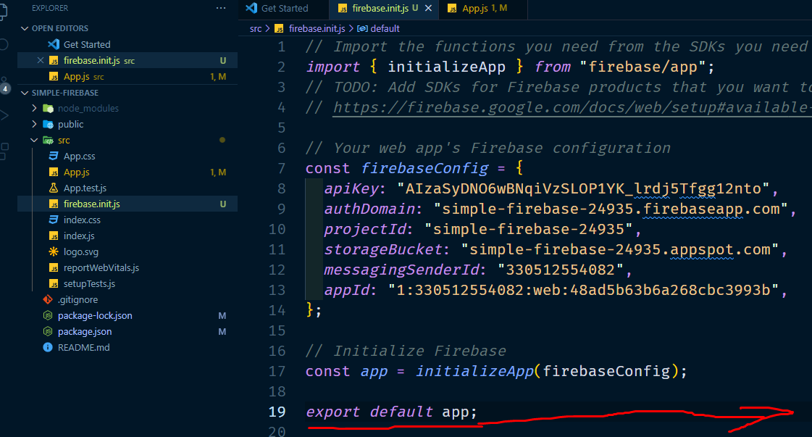
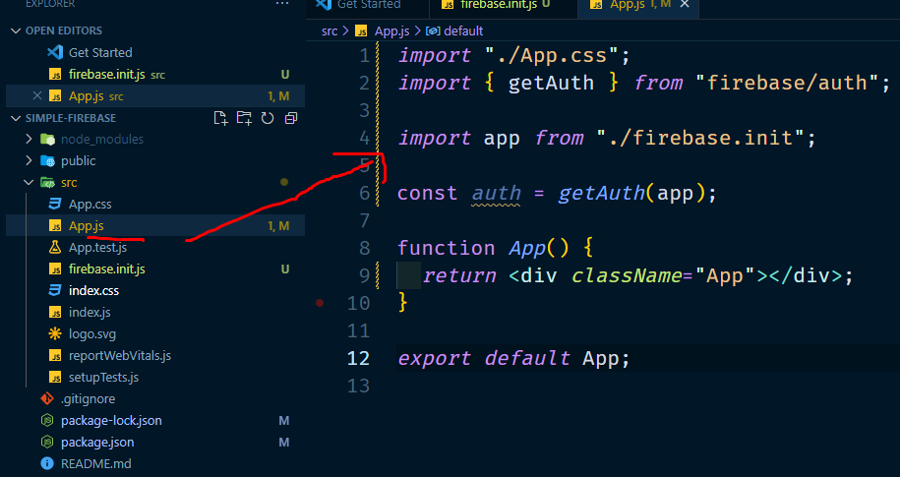

8. create google provider in app.js under app function

 | https://console.firebase.google.com/ |  |  |  |  | > simple firebase |  |  | > go to docs |  | > build > authentication > |  |  | web > google>



9. turn on google authentication (firebase> authentication> sign in method> google enable> email dia> save

https://console.firebase.google.com/ |  |  |  |  | > simple firebase> |  |  | authentication> |  |  | sign in method > |  | google > enable> |  | name dia> email dia> save

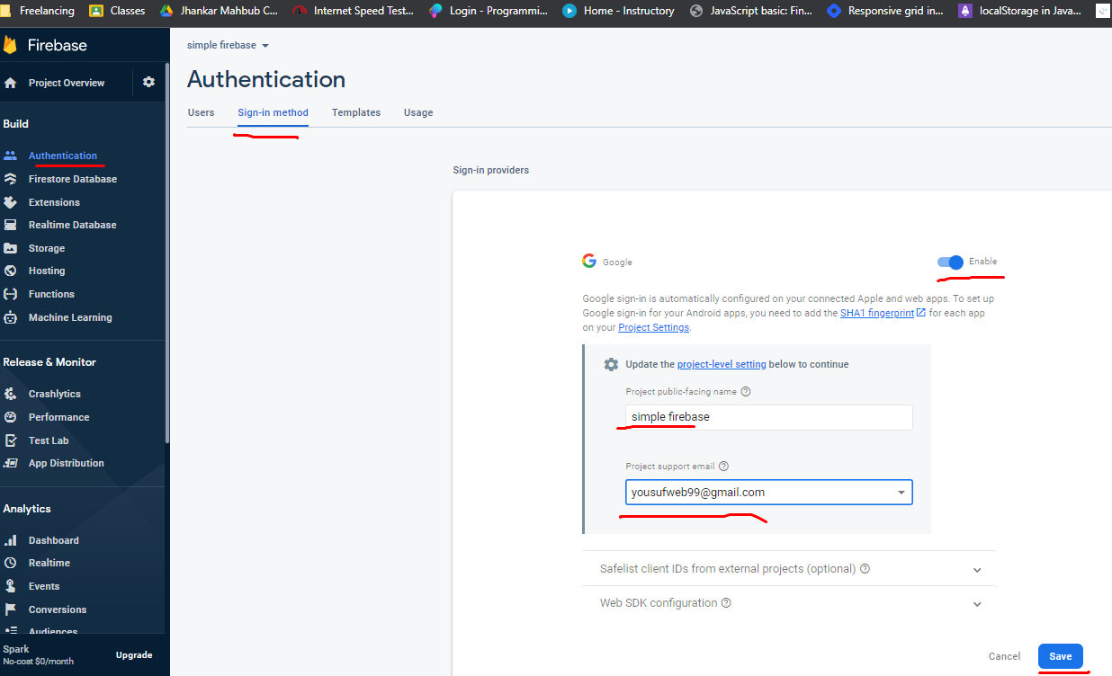

after save

10. use signWithPopup and pass auth and provider

https://console.firebase.google.com/ |  |  |  |  | > go to docs |  | > build | > authentication |  |  | > web | > google>
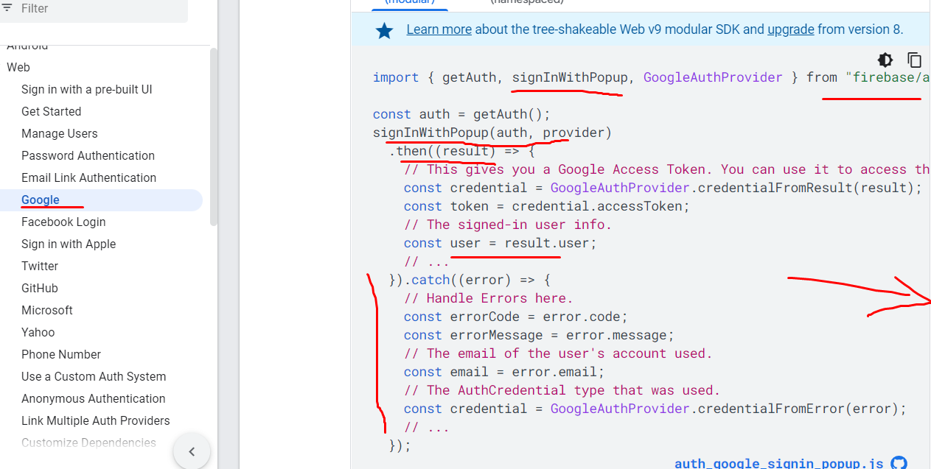

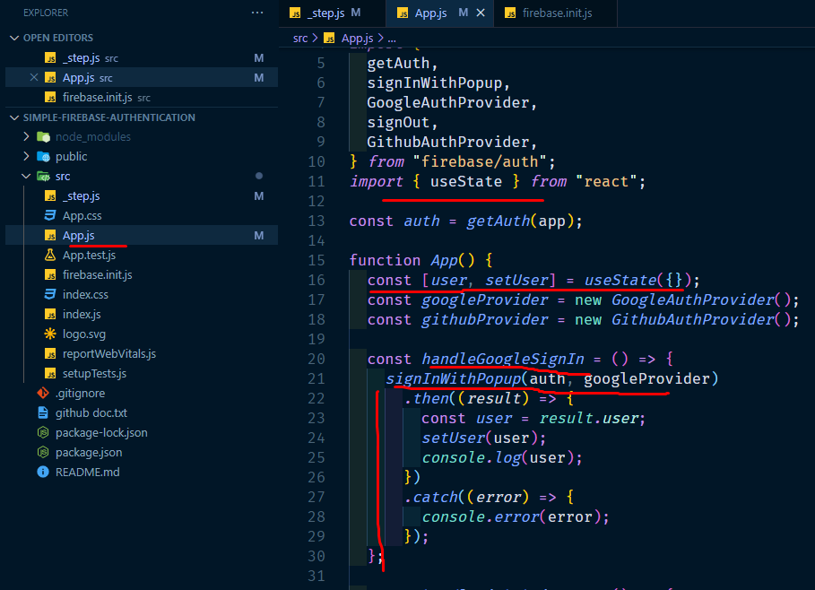

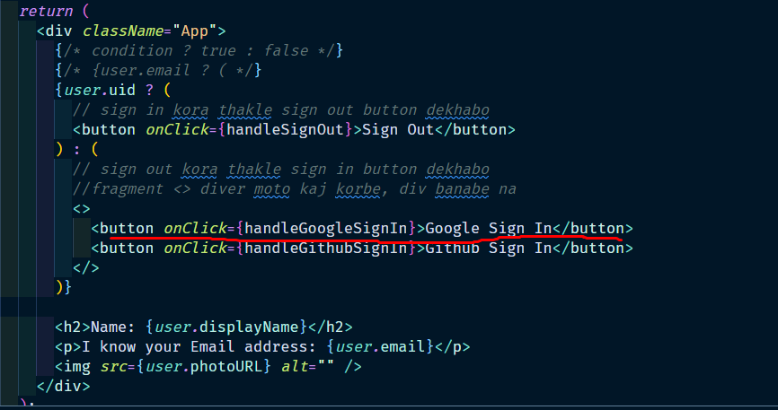

 | sign in button create
 | useState create
 | sign in hadle funciton |  |  | create
 | funciton app er vitore

